Layout
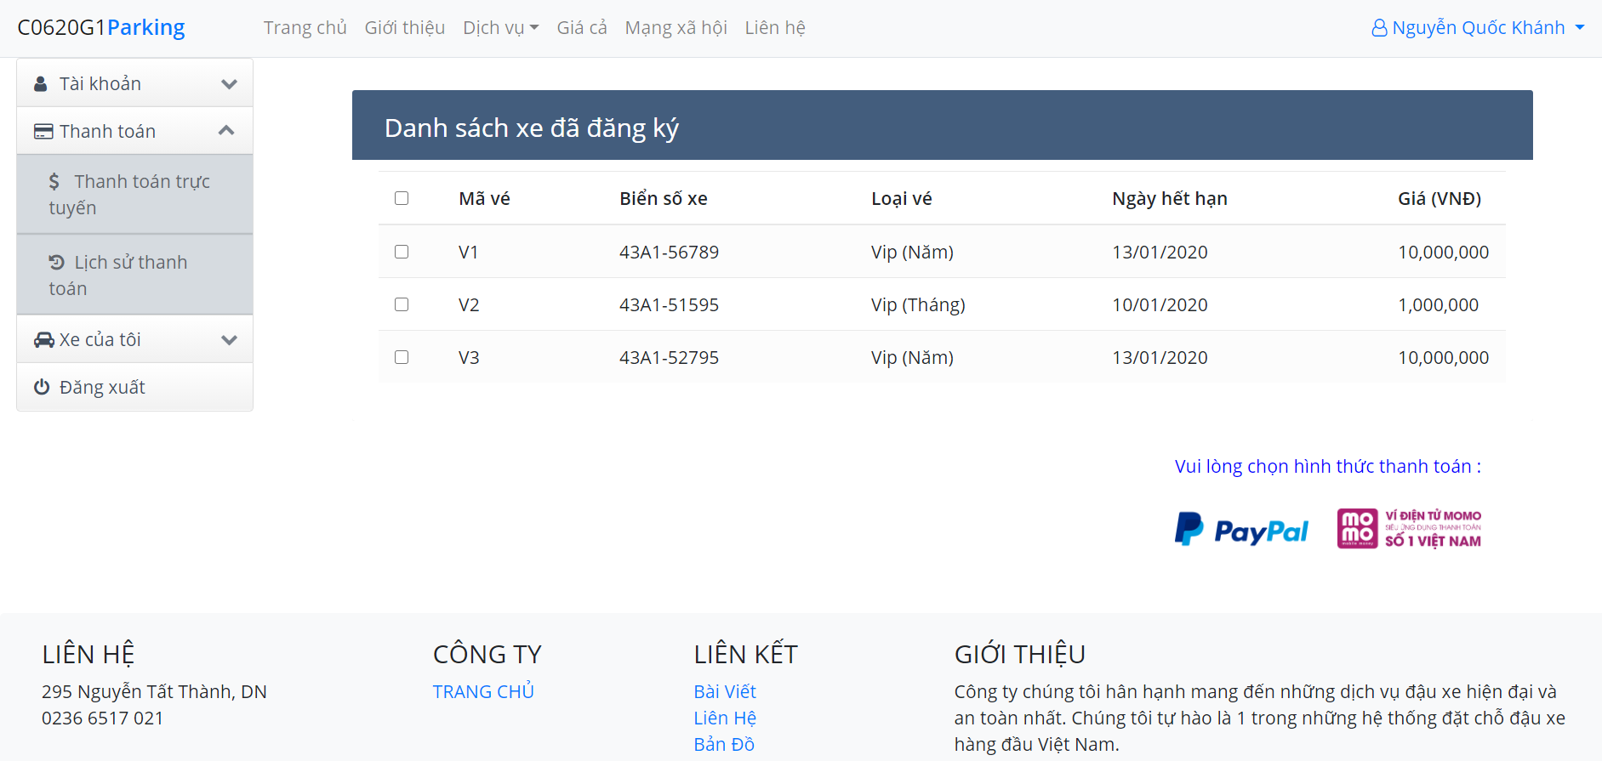
5.10.1. Gởi mail thông báo cho các khách hàng có vé sắp hết hạn :

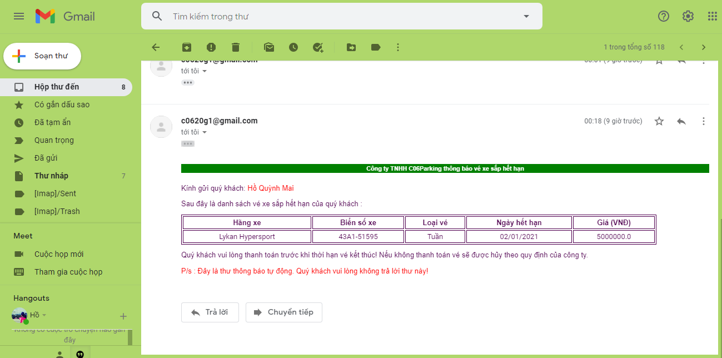

5.10.2. Khách hàng thanh toán bằng PayPal, MoMo :

